Table 1

Selected Acquisition Report (SAR)
RCS: DD-A&T(Q&A)823-220
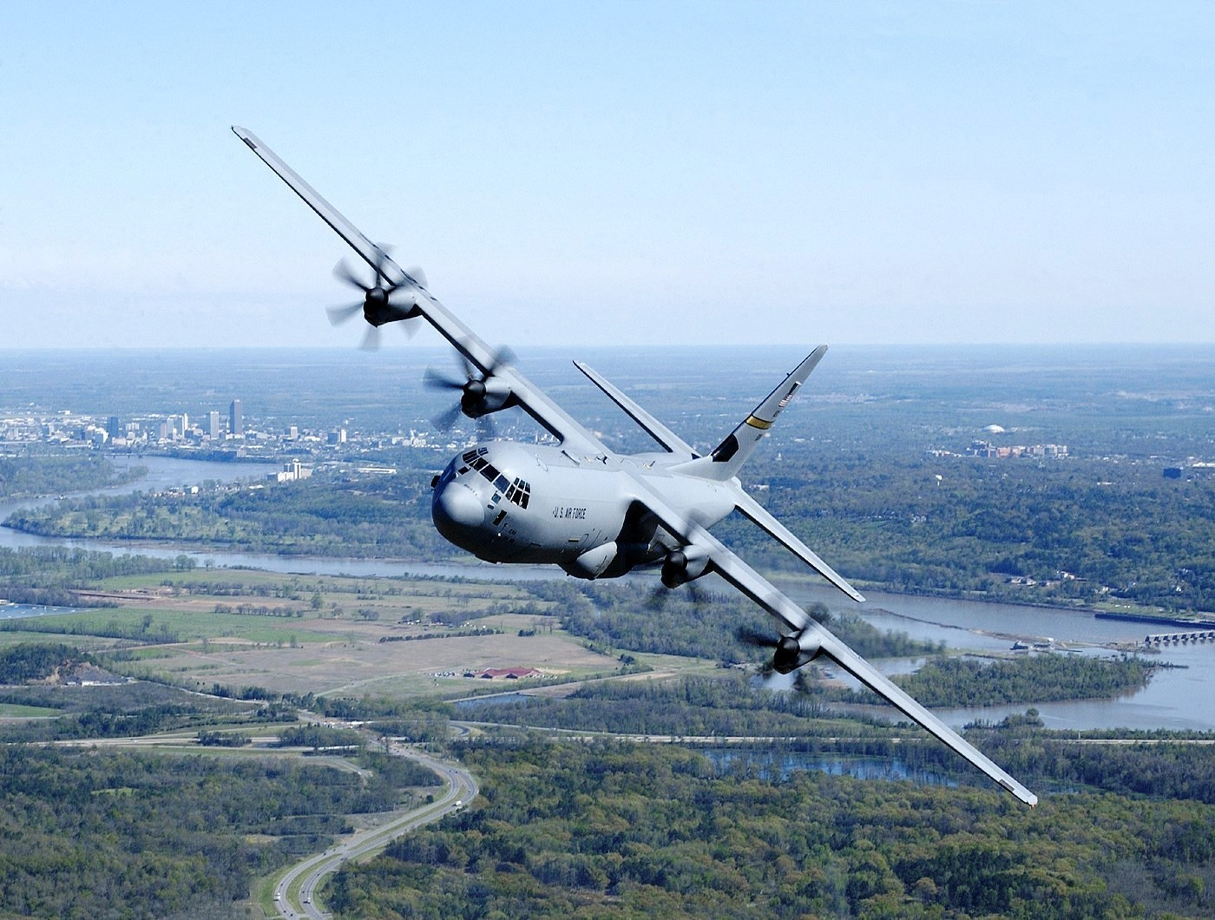
C-130J Hercules Transport Aircraft (C-130J)
As of FY 2017 President's Budget
Defense Acquisition Management Information Retrieval
(DAMIR)

Table 26
Unit Cost History
Item |  |  |  |  | Date |  |  | BY 1996 $M |  |  |  |  |  | TY $M
 |  |  |  |  |  |  |  | PAUC |  |  | APUC |  |  | PAUC |  |  | APUC

Original APB |  |  | Oct 1996 |  |  |  |  | 66.427 |  |  |  | 65.618 |  |  | 76.336 |  |  | 75.500
APB as of January 2006 |  |  | Mar 2003 |  |  |  |  | 80.023 |  |  |  | 77.625 |  |  | 97.517 |  |  | 94.707
Revised Original APB |  |  | N/A |  |  |  |  | N/A |  |  |  | N/A |  |  | N/A |  |  | N/A
Prior APB |  |  | Mar 2003 |  |  |  |  | 80.023 |  |  |  | 77.625 |  |  | 97.517 |  |  | 94.707
Current APB |  |  | Apr 2007 |  |  |  |  | 80.882 |  |  |  | 77.625 |  |  | 98.759 |  |  | 94.707
Prior Annual SAR |  |  | Dec 2014 |  |  |  |  | 72.424 |  |  |  | 69.785 |  |  | 93.485 |  |  | 90.125
Current Estimate |  |  | Dec 2015 |  |  |  |  | 72.725 |  |  |  | 70.088 |  |  | 94.343 |  |  | 90.956
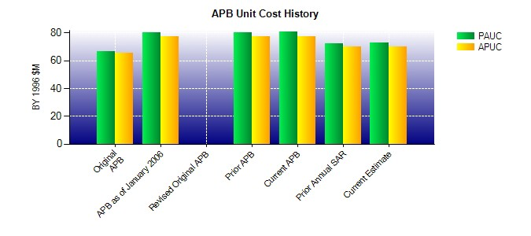
SAR Unit Cost History
Current SAR Baseline to Current Estimate (TY $M)
Initial PAUC Production Estimate | Changes |  |  |  |  |  |  |  |  |  |  |  |  |  |  | PAUC Current Estimate
 | Econ | Qty |  | Sch |  | Eng | Est |  | Oth | Spt |  |  | Total
76.336 0.452 -4.889 -2.428 1.196 9.586 0.000 14.090 18.007 94.343
Current SAR Baseline to Current Estimate (TY $M)
Initial APUC Production Estimate | Changes |  |  |  |  |  |  |  |  |  |  |  |  |  |  | APUC Current Estimate
 | Econ | Qty |  | Sch |  | Eng | Est |  | Oth | Spt |  |  | Total
75.500 0.366 -4.107 -2.402 0.000 7.509 0.000 14.090 15.456 90.956

